Trend Summary
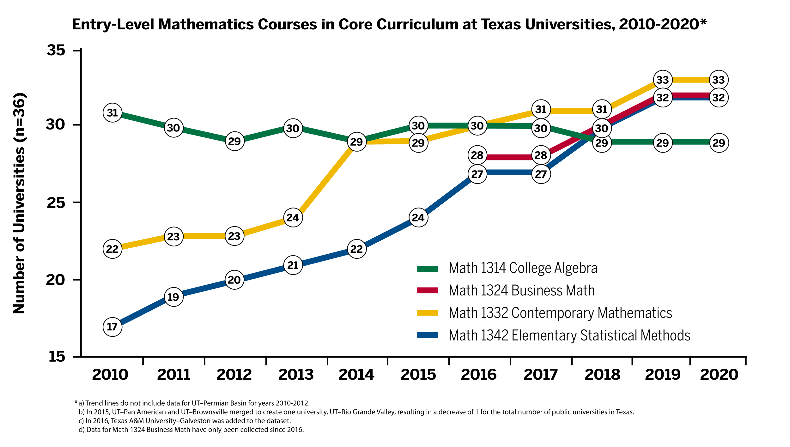
Core Curriculum Mathematics Courses at Texas Universities|Fall 2020
Core Curriculum Changes 2010–2020

In 2010, College Algebra was the most common entry-level mathematics course at universities across Texas. However, over the past decade, these institutions have steadily increased the number of mathematics pathways courses offered to students through general education core curriculum requirements. Based on data from the AY 2020–2021 Texas Transfer Inventory, we find that all public universities in the state offer multiple mathematics pathways through their core curriculum. In fact, Math 1314 College Algebra now appears less frequently than other entry-level mathematics courses, including Math 1324 Mathematics for Business, Math 1332 Contemporary Mathematics (Quantitative Reasoning), and Math 1342 Elementary Statistical Methods. Currently, 32 of the 37 public universities in Texas accept Math 1324 Business Math and Math 1342 Statistics in their core curriculum and 33 institutions also accept Math 1332 Quantitative Reasoning. Only 29 universities accept Math 1314 College Algebra and none of the state’s flagship campuses accept this course for core curriculum requirements.

